12 Decision Tree
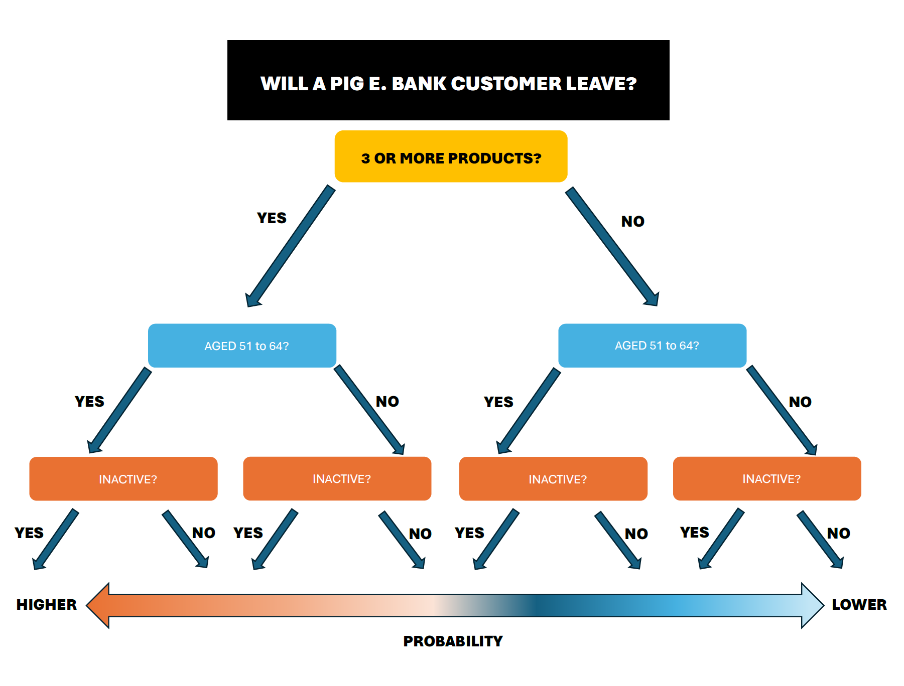

11 At Risk Customer Profile
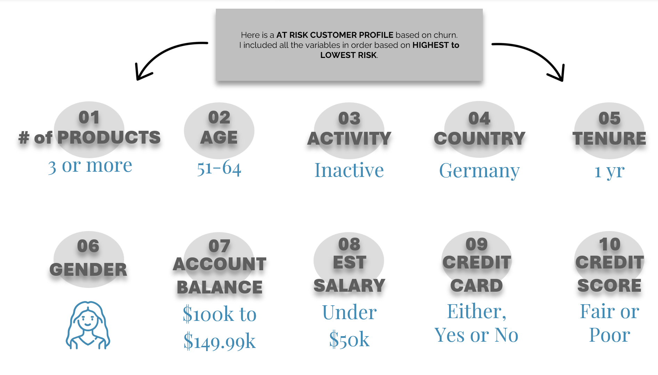

10 Summary & Recommendations
SUMMARY

Reviewing all the data in ALL, CURRENT, and the EX-CUSTOMERS databases has uncovered some insights.
The RETENTION RATE for PIG E. BANK is at 79.41%, banking industry standards are at least 75%. PIG E. BANK is doing a good job at keeping customers based on the data.
CURRENT CUSTOMERS - Top 3 factors for staying are:
1. # OF PRODUCTS - 2 at 93% retention
2. AGE - 18 to 34 at 93% retention
3. ACTIVITY - Active at 88% retention
The CHURN RATE for PIG E. BANK is at 20.59%, banking industry standards are at 25%. Since the bank has a lower rate than banking industry standards, this is great. However, it's always good to review how you could reduce the churn rate further by looking at the current factors as to why customers leave.
EX-CUSTOMERS - TOP 3 factors for leaving are:
1. # OF PRODUCTS - 3 or more at 85%+ churn
2.AGE - 51 to 64 at 51% churn
3. ACTIVITY - INACTIVE at 29% churn
Again, this does not explain WHY customers stay or leave. And this is only a prelimiary analysis and trends could change at any time. My recommendation would be to get feedback from CURRENT CUSTOMERS and EX-CUSTOMERS to find out WHY they actually stay or leave. This will give the company the direct insights needed to improve upon what's being offered for rates, services, and/or any issues that customers have experienced.
The Decision Tree that I have provided includes these 3 TOP FACTORS for if a customer will leave based on the current data.
RECOMMENDATIONS
1. Retention Rate: To raise the 79.41% retention rate even further, it might help to provide a few additional services to new customers such as: Onboarding, regular communication, and continual feedback or surveys.
2. Churn Rate: To lower the 20.59% churn rate, besides implementing prediction models, you could also: Use early intervention strategies that are “at risk” to address any issues or concerns and have exit surveys for churned customers to find out the reasons why.
3. Products & Services: Review the products and services provided. There was no data as to what the products customers currently use, only the total number.
4. Research: Research current banking industry competitors to see what they are offering and doing for their customers. Implement new ideas and strategies that aim on lowering the churn rate.
5. Customer Programs: Create a VIP or Business Program for customers who have a higher amount of money in checking and savings for over 3 years. Perhaps even higher savings rates, lower fees, and premier customer service in person, online, or on the phone.
6. Feedback: Get feedback from CURRENT CUSTOMERS and EX-CUSTOMERS to find out WHY they stay or leave. This will give the company the direct insights needed to improve upon what's being offered for rates, services, and/or any issues that customers have experienced.

09 Comparisons & Insights
ALL CUSTOMERS |  |  |  | ALL CUSTOMERS |  |  |  | ALL CUSTOMERS

# OF PRODUCTS |  |  |  | AGE |  |  |  | ACTIVE MEMBER
Row Labels | Count of NumOfProducts | % |  | Row Labels | Count of Age | % |  | Row Labels | Count of IsActiveMember | %
1 | 510 | 51% |  | Age 18-34 | 341 | 26% |  | 0 | 488 | 49.24%
2 | 446 | 45.01% |  | Age 35-50 | 526 | 55% |  | 1 | 503 | 51%
3 | 33 | 3.33% |  | Age 51-64 | 97 | 14% |  | Grand Total | 991 | 100.00%
4 | 2 | 0.20% |  | Age 65+ | 27 | 5% |  | 0 = INACTIVE, 1 = ACTIVE
Grand Total | 991 | 100.00% |  | Grand Total | 991 | 100.00%

CURRENT CUSTOMERS |  |  |  | CURRENT CUSTOMERS |  |  |  | CURRENT CUSTOMERS

# OF PRODUCTS |  |  |  | AGE
Row Labels | Count of NumOfProducts | % | Retention | Row Labels | Count of Age2 | % | Retention | ACTIVE MEMBER
1 | 368 | 46.76% | 72% | Age 18-34 | 315 | 40% | 92% | Row Labels | Count of IsActiveMember | % | Retention
2 | 414 | 53% | 93% | Age 35-50 | 402 | 51% | 76% | 0 | 345 | 43.84% | 71%
3 | 5 | 0.64% | 15% | Age 51-64 | 48 | 6.10% | 49% | 1 | 442 | 56% | 88%
Grand Total | 787 | 100.00% |  | Age 65+ | 22 | 2.80% | 81% | Grand Total | 787 | 100.00%
 |  |  |  | Grand Total | 787 | 100.00% |  | 0 = INACTIVE, 1 = ACTIVE

EX-CUSTOMERS |  |  |  | EX-CUSTOMERS |  |  |  | EX-CUSTOMERS

# OF PRODUCTS |  |  |  | AGE |  |  |  | ACTIVE MEMBER
Row Labels | Count of NumOfProducts2 | % | Churn | Row Labels | Count of Age2 | % | Churn | Row Labels | Count of IsActiveMember | % | Churn
1 | 142 | 47.65% | 28% | Age 18-34 | 26 | 12.75% | 8% | 0 | 143 | 70.10% | 29%
2 | 32 | 21.48% | 7% | Age 35-50 | 124 | 60.78% | 24% | 1 | 61 | 29.90% | 12%
3 | 28 | 28% | 85% | Age 51-64 | 49 | 24.02% | 51% | Grand Total | 204 | 100.00%
4 | 2 | 2.68% | 100% | Age 65+ | 5 | 2.45% | 19% | 0 = INACTIVE, 1 = ACTIVE
Grand Total | 204 | 100.00% |  | Grand Total | 204 | 100.00%

# of products
 | 1 | 2 | 3 | 4
ALL CUSTOMERS | 510 | 446 | 33 | 2
CURRENT CUSTOMERS | 368 | 414 | 5 | 0
EX-CUSTOMERS | 142 | 32 | 28 | 2
age groups
 | Age 18-34 | Age 35-50 | Age 51-64 | Age 65+
ALL CUSTOMERS | 341 | 526 | 97 | 27
CURRENT CUSTOMERS | 315 | 402 | 48 | 22
EX-CUSTOMERS | 26 | 124 | 49 | 5
ACTIVITY
 | INACTIVE | ACTIVE
ALL CUSTOMERS | 488 | 503
CURRENT CUSTOMERS | 345 | 442
EX-CUSTOMERS | 143 | 61

Here we can see a comparision between ALL, CURRENT, and EX-CUSTOMERS in regards to the # of PRODUCTS. Looking at them based on frequency, there doesn't look to be too much. Looking at this visual it seems that a majority in every group mostly have 1 or 2 PRODUCTS.
Here we can see a comparision between ALL, CURRENT, and EX-CUSTOMERS in regards to the AGE GROUPS. Again, looking at frequency, there isn't much difference based on the similar AGE GROUPS. Looking at this visual it seems that a majority in every group mostly have customers in the 18-34 and 35-50 year old age groups.
Here we can see a comparision between ALL, CURRENT, and EX-CUSTOMERS in regards to ACTIVITY. Looking at them based on frequency, there are more ACTIVE in CURRENT CUSTOMERS versus more INACTIVE in EX-CUSTOMERS. Which one might say at this point, that there are going to be more INACTIVE EX-CUSTOMERS than CURRENT CUSTOMERS.

CURRENT CUSTOMERS: PRODUCTS
 | Count | Retention Rate
 | 368 | 72%
 | 414 | 93%
 | 5 | 15%
CURRENT CUSTOMERS: AGE
 | Count | Retention Rate
Age 18-34 | 315 | 92%
Age 35-50 | 402 | 76%
Age 51-64 | 48 | 49%
Age 65+ | 22 | 81%
CURRENT CUSTOMERS: ACTIVITY
 | Count | Retention Rate
Inactive | 345 | 71%
Active | 442 | 88%

The freqeuncy was highest in 1 or 2 PRODUCTS. Looking at the retention rate confirms that 2 PRODUCTS are a main factor of customers staying.
Althought frequency was highest in AGE GROUP 35 to 50, looking at the retention rate AGE GROUP 18 to 34 are the customers that remain and a factor for staying at the bank.
Comparing the frequency to the retention rate for ACTIVITY shows that they match. CURRENT CUSTOMERS are ACTIVE and a factor for remaining at the bank.

EX-CUSTOMERS: PRODUCTS
 | Count | Churn Rate
1 | 142 | 28%
2 | 32 | 7%
3 | 28 | 85%
4 | 2 | 100%
EX-CUSTOMERS: AGE
 | Count | Churn Rate
Age 18-34 | 26 | 8%
Age 35-50 | 124 | 24%
Age 51-64 | 49 | 51%
Age 65+ | 5 | 19%
EX-CUSTOMERS: ACTIVITY
 | Count | Churn Rate
Inactive | 143 | 29%
Active | 61 | 12%

Although the frequency was highest in 1 PRODUCT for EX-CUSTOMERS, looking at the churn rate, 3 or more PRODUCTS is a factor for leaving. It should be noted that there were only 2 customers with 4 PRODUCTS, so more data might be needed to prove that variable a little more consistently.
The frequency rate for AGE in EX-CUSTOMERS was highest in AGE 35 to 50. Compared to the churn rate it is AGE 51 to 64 for a factor customers leaving.
The frequency rate for EX-CUSTOMERS in ACTIVITY was highest as INACTIVE. Comparing this to the churn rate, this matches and is a factor for customers leaving.

CHURN CUSTOMER PROFILE
# of PRODUCTS:
AGE:
ACTIVITY:

08 Ex-Customers Analysis
EX-CUSTOMERS ANALYSIS

CREDIT SCORE |  |  |  | COUNTRY |  |  |  | GENDER |  |  |  | AGE |  |  |  | # OF PRODUCTS |  |  |  | HAS CREDIT CARD
Row Labels | Count of Credit Score2 | % | Churn | Row Labels | Count of Country | % | Churn | Row Labels | Count of Gender | % | Churn | Row Labels | Count of Age2 | % | Churn | Row Labels | Count of NumOfProducts2 | % | Churn | Row Labels | Count of HasCrCard? | % | Churn
Poor | 60 | 29.41% | 0.49% | France | 77 | 37.75% | 16% | Female | 121 | 59.31% | 26% | Age 18-34 | 26 | 12.75% | 8% | 1 | 142 | 47.65% | 28% | 0 | 60 | 29.41% | 21% | SPLIT
Fair | 65 | 31.86% | 21% | Germany | 75 | 36.76% | 29% | Male | 83 | 40.69% | 16% | Age 35-50 | 124 | 60.78% | 24% | 2 | 32 | 21.48% | 7% | 1 | 144 | 70.59% | 21%
Good | 46 | 22.55% | 19% | Spain | 52 | 25.49% | 20% | Grand Total | 204 | 100.00% |  | Age 51-64 | 49 | 24.02% | 51% | 3 | 28 | 28% | 85% | Grand Total | 204 | 100.00%
Very Good | 23 | 11.27% | 18% | Grand Total | 204 | 100.00% |  |  |  |  |  | Age 65+ | 5 | 2.45% | 19% | 4 | 2 | 2.68% | 100%*
Excellent | 10 | 4.90% | 17% | Although Germany also has a 29% Churn, I believe Inactive has more risk. Inactivity is more constient due to counts, the proprotion within the group, and churn. |  |  |  |  |  |  |  | Grand Total | 204 | 100.00% |  | Grand Total | 204 | 100.00%
Grand Total | 204 | 100.00% |  |  |  |  |  |  |  |  |  |  |  |  |  | *This churn rate is preliminary, it should be noted that the count is small, so I included 3 products to help identify a factor for churn. It would be better to compare against more data to see if this is a consistent finding.

ACTIVE MEMBER |  |  |  | EST. SALARY |  |  |  | ACCOUNT BALANCE |  |  |  | TENURE
Row Labels | Count of IsActiveMember | % | Churn | Row Labels | Count of Estimated Salary2 | % | Churn | Row Labels | Count of Balance2 | % | Churn | Row Labels | Count of Tenure | % | Churn
0 | 143 | 70.10% | 29% | Under $50k | 57 | 27.94% | 23% | Balance under $50k | 59 | 28.92% | 16% | 0 | 6 | 2.94% | 16%
1 | 61 | 29.90% | 12% | $50k to $99.99k | 45 | 22.06% | 18% | $50 to $99.99k | 22 | 10.78% | 15% | 1 | 30 | 14.71% | 29%
Grand Total | 204 | 100.00% |  | $100k to $149.99k | 53 | 25.98% | 20% | $100k to $149.99k | 97 | 47.55% | 26% | 2 | 27 | 13.24% | 25%
 |  |  |  | $150K to $199.99k | 49 | 24.02% | 22% | $150k+ | 26 | 0.12745098039 | 24% | 3 | 20 | 9.80% | 20%
 |  |  |  | Grand Total | 204 | 100.00% |  | Grand Total | 204 | 100.00% |  | 4 | 17 | 8.33% | 20%
 |  |  |  |  |  |  |  |  |  |  |  | 5 | 20 | 9.80% | 20%
 |  |  |  |  |  |  |  |  |  |  |  | 6 | 21 | 10.29% | 22%
 |  |  |  |  |  |  |  |  |  |  |  | 7 | 15 | 7.35% | 16%
 |  |  |  |  |  |  |  |  |  |  |  | 8 | 20 | 9.80% | 19%
 |  |  |  |  |  |  |  |  |  |  |  | 9 | 21 | 10.29% | 19%
 |  |  |  |  |  |  |  |  |  |  |  | 10 | 7 | 3.43% | 14%
 |  |  |  |  |  |  |  |  |  |  |  | Grand Total | 204 | 100.00%

FREQUENCY: PRODUCTS
 | Total
1 | 142
2 | 32
3 | 28
4 | 2
FREQUENCY: AGE VS PRODUCTS
 | NumOfProducts
42 | 1
42 | 3
44 | 2
29 | 4
58 | 1
38 | 1
39 | 3
45 | 1
51 | 1
49 | 1
27 | 1
39 | 1
41 | 1
42 | 1
66 | 1
58 | 4
32 | 1
22 | 1
46 | 3
44 | 3
65 | 1
46 | 2
35 | 1
28 | 2
31 | 1
42 | 1
52 | 1
56 | 1
48 | 1
35 | 2
52 | 1
31 | 1
48 | 1
57 | 1
29 | 1
24 | 1
39 | 2
44 | 1
55 | 1
50 | 1
41 | 2
50 | 1
38 | 2
41 | 1
45 | 1
47 | 1
43 | 2
54 | 1
33 | 1
45 | 1
...

Fig. 3.1: You can see from the count or frequency that AGE and # of PRODUCTS shows that 1 and 2 seems like factors for EX-CUSTOMERS leaving aged between 27 to 63 years old.
Fig. 3.2: You can see that the number of products decreases for EX-CUSTOMERS.
However, this does not account for the churn rate, which actually shows that 3 or more PRODUCTS are a factor for customers leaving amongst those aged 51 to 64 years old.

Fig. 3.1
Fig. 3.2

FREQUENCY: AGE VS TENURE
 | Tenure
42 | 2
42 | 8
44 | 8
29 | 4
58 | 1
38 | 4
39 | 3
45 | 0
51 | 8
49 | 2
27 | 9
39 | 9
41 | 8
42 | 1
66 | 4
58 | 2
32 | 2
22 | 3
46 | 4
44 | 5
65 | 1
46 | 4
35 | 9
28 | 9
31 | 8
42 | 9
52 | 1
56 | 0
48 | 2
35 | 1
52 | 2
31 | 5
48 | 9
57 | 7
29 | 0
24 | 7
39 | 2
44 | 10
55 | 3
50 | 4
41 | 8
50 | 5
38 | 2
41 | 3
45 | 5
47 | 7
43 | 1
54 | 8
33 | 10
45 | 6
...
FREQUENCY: TENURE
 | Total
0 | 6
1 | 30
2 | 27
3 | 20
4 | 17
5 | 20
6 | 21
7 | 15
8 | 20
9 | 21
10 | 7

Fig. 4.1: AGE and TENURE doesn't really show too much of a relationship as AGE and PRODUCTS does. The data is much more spread out and harder to see a distinct pattern.
Fig. 4.2: You can see how TENURE tends to decrease for EX-CUSTOMERS. Most of them are in the 0 to 2 year range based on frequency. Based on churn the data confirms that 1 year or less is a reason for EX-CUSTOMERS leaving.

Fig. 4.2
Fig. 4.1

06 Current Customers Analysis
CURRENT CUSTOMERS ANALYSIS

CREDIT SCORE |  |  |  | COUNTRY |  |  |  | GENDER |  |  |  | AGE |  |  |  | # OF PRODUCTS |  |  |  | HAS CREDIT CARD
Row Labels | Count of Credit Score2 | % | Retention | Row Labels | Count of Country | % | Retention | Row Labels | Count of Gender | % | Retention | Row Labels | Count of Age2 | % | Retention | Row Labels | Count of NumOfProducts | % | Retention | Row Labels | Count of HasCrCard? | % | Retention
Poor | 191 | 24% | 76% | France | 403 | 51% | 84% | Female | 341 | 43.33% | 74% | Age 18-34 | 315 | 40% | 92% | 1 | 368 | 46.76% | 72% | 0 | 231 | 29.35% | 79%
Fair | 244 | 31% | 79% | Germany | 182 | 23.13% | 71% | Male | 446 | 57% | 84% | Age 35-50 | 402 | 51% | 76% | 2 | 414 | 53% | 93% | 1 | 556 | 71% | 79%
Good | 199 | 25.29% | 81% | Spain | 202 | 25.67% | 80% | Grand Total | 787 | 100.00% |  | Age 51-64 | 48 | 6.10% | 49% | 3 | 5 | 0.64% | 15% | Grand Total | 787 | 100.00%
Very Good | 105 | 13.34% | 82% | Grand Total | 787 | 100.00% |  |  |  |  |  | Age 65+ | 22 | 2.80% | 81% | Grand Total | 787 | 100.00%
Excellent | 48 | 6.10% | 83% |  |  |  |  |  |  |  |  | Grand Total | 787 | 100.00%
Grand Total | 787 | 100.00%

ACTIVE MEMBER |  |  |  | EST. SALARY |  |  |  | ACCOUNT BALANCE |  |  |  | TENURE
Row Labels | Count of IsActiveMember | % | Retention | Row Labels | Count of IsSalary2 | % | Retention | Row Labels | Count of Balance2 | % | Retention | Row Labels | Count of Tenure | % | Retention
0 | 345 | 43.84% | 71% | Under $50k | 193 | 25% | 77% | Balance under $50k | 299 | 38% | 84% | 0 | 32 | 4.07% | 84%
1 | 442 | 56% | 88% | $50k to $99.99k | 210 | 27% | 82% | $50 to $99.99k | 124 | 16% | 85% | 1 | 73 | 9.28% | 71%
Grand Total | 787 | 100.00% |  | $100k to $149.99k | 207 | 26% | 80% | $100k to $149.99k | 282 | 35.83% | 74% | 2 | 83 | 10.55% | 75%
 |  |  |  | $150K to $199.99k | 177 | 22% | 78% | $150k+ | 82 | 10.42% | 76% | 3 | 81 | 10.29% | 80%
 |  |  |  |  |  |  |  | Grand Total | 787 | 100.00% |  | 4 | 69 | 8.77% | 80%
 |  |  |  | Grand Total | 787 | 100% |  |  |  |  |  | 5 | 80 | 10.17% | 80%
 |  |  |  |  |  |  |  |  |  |  |  | 6 | 73 | 9.28% | 78%
 |  |  |  |  |  |  |  |  |  |  |  | 7 | 78 | 9.91% | 84%
 |  |  |  |  |  |  |  |  |  |  |  | 8 | 88 | 11% | 81%
 |  |  |  |  |  |  |  |  |  |  |  | 9 | 87 | 11.05% | 81%
 |  |  |  |  |  |  |  |  |  |  |  | 10 | 43 | 5.46% | 86%
 |  |  |  |  |  |  |  |  |  |  |  | Grand Total | 787 | 100.00%

FREQUENCY: AGE VS PRODUCTS
 | NumOfProducts
41 | 1
39 | 2
43 | 1
50 | 2
44 | 2
27 | 1
31 | 2
24 | 2
34 | 2
25 | 2
35 | 2
45 | 2
24 | 2
45 | 1
24 | 2
41 | 2
32 | 2
46 | 2
38 | 1
25 | 2
36 | 1
44 | 2
43 | 1
29 | 2
36 | 1
41 | 2
42 | 2
29 | 2
31 | 1
33 | 1
36 | 1
41 | 2
40 | 1
61 | 1
61 | 1
32 | 2
38 | 1
37 | 2
44 | 2
36 | 2
33 | 2
43 | 1
45 | 1
19 | 1
51 | 1
35 | 1
27 | 2
33 | 2
56 | 1
26 | 1
...
FREQUENCY: PRODUCTS
 | CURRENT CUSTOMERS
 | 368
 | 414
 | 5

Fig. 1.1: You can see from the count or frequency that AGE and # of PRODUCTS shows that 1 and 2 are factors for CURRENT CUSTOMERS staying are aged between 20 to 50 years old.
Fig. 1.2: you can see that the # of PRODUCTS for CURRENT CUSTOMERS are more prevelant in 1 or 2 PRODUCTS, not more than that.
Looking further, retention rates confirm that 2 PRODUCTS for those aged between 18 to 34 years old are factors to customers staying.

Fig. 1.1
Fig. 1.2

FREQUENCY: AGE VS TENURE
 | Tenure
41 | 1
39 | 1
43 | 2
50 | 7
44 | 4
27 | 2
31 | 6
24 | 3
34 | 10
25 | 5
35 | 7
45 | 3
24 | 9
45 | 6
24 | 6
41 | 8
32 | 8
46 | 3
38 | 5
25 | 3
36 | 2
44 | 9
43 | 3
29 | 0
36 | 7
41 | 9
42 | 6
29 | 9
31 | 3
33 | 7
36 | 7
41 | 6
40 | 4
61 | 2
61 | 5
32 | 4
38 | 2
37 | 2
44 | 10
36 | 5
33 | 5
43 | 1
45 | 5
19 | 0
51 | 4
35 | 5
27 | 9
33 | 1
56 | 8
26 | 4
...
FREQUENCY: TENURE
 | CURRENT CUSTOMERS
 | 32
 | 73
 | 83
 | 81
 | 69
 | 80
 | 73
 | 78
 | 88
 | 87
 | 43

Fig. 2.1: You can see from the count or frequency that AGE TENURE shows it doesn't seem to matter how long a customer has been with the bank. It does show that those aged 22 to 48 seem to be where the majority of the CURRENT CUSTOMER base is.
Fig. 2.2: You can see that TENURE is on the higher end, or rather trending at 3 years and up.
However, based on the retention rate, most customers have been with the bank for a longer time. 10 years tenure is the most retained set of customers.

Fig. 2.1
Fig. 2.2

